SSA quote from R&K
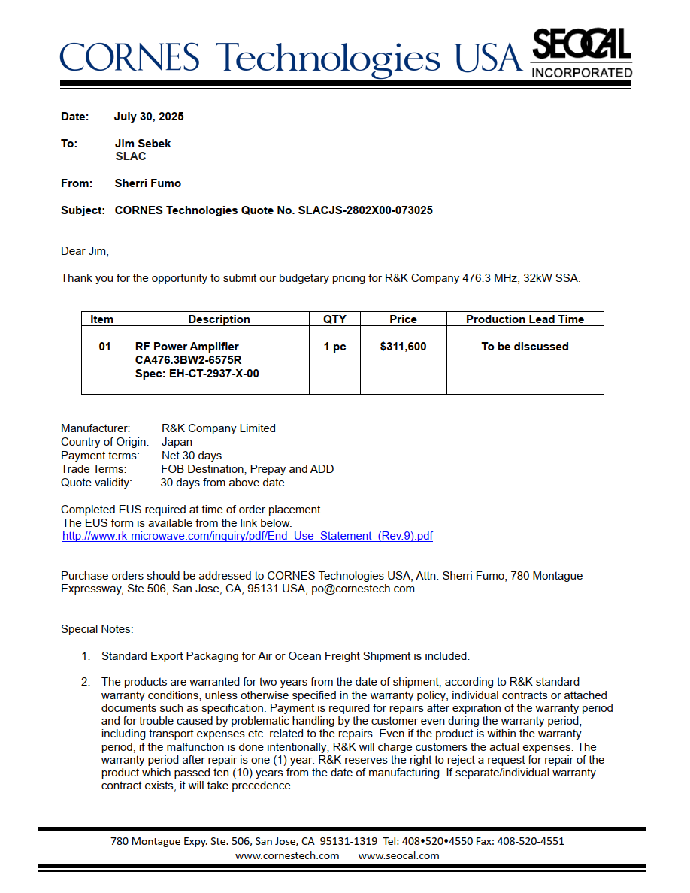
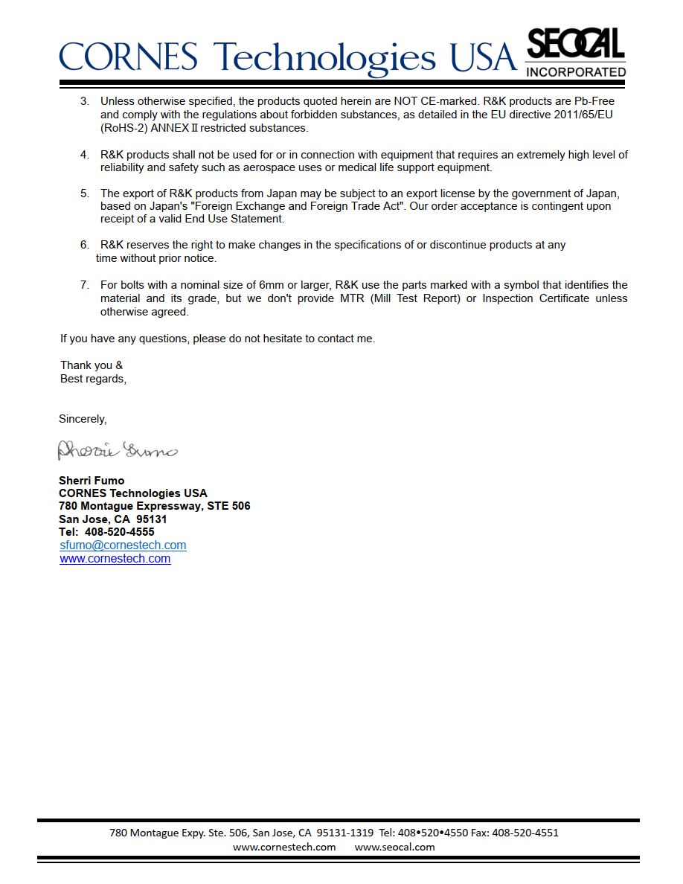
 | $
1 65 kw unit | 311600

16 units | 4985600

